Sheet1
 | Operator Controller |  |  | v0.1 (Feb 28, 2022)

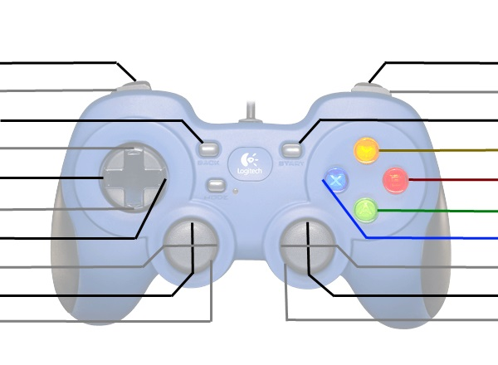
[Jason F: Stationary Arm Extend?] Auto Shoot? |  |  |  | [Jason F: Pivoting Arm Extend?]
[Jason F: Stationary Arm Retract?] Spin Up Flywheel? |  |  |  | [Jason F: Pivoting Arm Retract?]
[Jason F: General Shift (for competition if needed)?] |  |  |  | [Jason F: Auto Climb?]
Up-Shift |  |  |  | [Jason F: Auto shoot?]
[Jason F: Pivot Pivoting Arm Left?] Left-Shift |  |  |  | Expel?
Down-Shift |  |  |  | [Jason F: Intake Toggle?] Intake?
[Jason F: Pivot Pivoting Arm Right?] Right-Shift |  |  |  | [Jason F: Spin Up Flyweheel / Shut Down Flywheel?]

Kill Everything |  |  |  | Kill Everything

 | These are typically used for debugging or manual override
 | *Shift | Right Vertical Axis | X
 | Up | - | -
 | Right | - | -
 | Down | - | -
 | Left | - | -

 | Driver Controller

 |  |  |  | Disable Auto-Shift?

 |  |  |  | Turn Left/Right
Drive Forwards/Backwards
Kill Everything |  |  |  | Kill Everything
[Jason F: 1. As coded, I see that Intake puts down intake arm and sucks in cargo only while button is held. On button release, intake arm raises and stops sucking in. Can we make one button press engage intake and alternate button press disengage it, so it is a toggle? Expel would, reverse intake rollers while held and return to nromal intake on release if intake was one or back to idel if intake was not on. 2. Can Spin Up Flywheel be a toggle? Use it to pre-spin up the flywheel when anticipating the need to shoot soon. Need a way to shut it down anyway. 3. Using the typical shift button (left/right) for pivot arm pivoting makes it less likely to accidentally pivot while not climbing (as opposed to using joysticks). Would give better pivot control too (tapping left/right ever so lightly). I'd even abandon shift up/down and use a single General Shift button at competition time if needed. ]

